Min test std.requirement (V10)
...
 |  |  |  |  |  |  |  |  |  | Japan | Russia | France (NF-414) |  |  | India (QCO) |  |  | China |  |  | Singapore

 |  |  |  |  |  |  |  |  |  |  |  |  | Philippines |  |  |  |  |  | Taiwan | Hongkong

 |  |  |  |  |  |  |  |  |  |  |  |  |  | Europe (Keymark)
...
*
 |  |  |  |  |  |  |  |  |  | - | - | - | - |  | - |  | - | -
 |  |  |  |  |  |  |  |  |  | - | - | - | - | - | - | - | - | -
 |  |  |  |  |  |  |  |  |  | - |  |  | - | - | - | - | - | -
 |  |  |  |  |  |  |  |  |  | - | - | - | - | - | - | Cancel in Amd 1 | - | -
 |  |  |  |  |  |  |  |  |  | - | - | - | - | - | - |  | -
 |  |  |  |  |  |  |  |  |  | - | - | - | - | - |  | - | - | -
 |  |  |  |  |  |  |  |  |  | - | - | - |  | - | - | - | - | -
 |  |  |  |  |  |  |  |  |  | - |  |  |  |  |  |  | -
 |  |  |  |  |  |  |  |  |  |  | - | - | - | - | - | - | - | -
 |  |  |  |  |  |  |  |  |  | - | - | - |  | - |  |  | - | **
 |  |  |  |  |  |  |  |  |  |  |  |  |  |  | - | - | -
...
 |  |  |  |  |  |  |  |  |  | - | - | - | - | - | - |  | - | -
 |  |  |  |  |  |  |  |  |  |  |  |  |  |  | - | - | - | -
 |  |  |  |  |  |  |  |  |  | - | - | - | - | - |  |  | - | -
 |  |  |  |  |  |  |  |  |  | - | - | - | - | - | - | Cancel in Amd 1 | - | -
 |  |  |  |  |  |  |  |  |  | - | - | - | - | - |  | Cancel in Amd 1
 |  |  |  |  |  |  |  |  |  | - | - | - |  | - |  |  | - | **
 |  |  |  |  |  |  |  |  |  | - |  | - | - | - | - | - | - | -
 |  |  |  |  |  |  |  |  |  | - |  |  | - | - | - | - | - | -
 |  |  |  |  |  |  |  |  |  | - | - |  | - |  | - | - | - | -
 |  |  |  |  |  |  |  |  |  | - | - | - | - | - |  | - | - | -
*
 |  |  |  |  |  |  |  |  |  | - | - | - | - | - | - |  | - | -
 |  |  |  |  |  |  |  |  |  | - | - |  | - | - | - | - | - | -
 |  |  |  |  |  |  |  |  |  | - | - | - | - | - | -
 |  |  |  |  |  |  |  |  |  |  |  | - | - | - | - | - | - | -
 |  |  |  |  |  |  |  |  |  | - | - | - | - | - | - | - |  | -
 |  |  |  |  |  |  |  |  |  | - |  |  | - | - | - | - | - | -
 |  |  |  |  |  |  |  |  |  | - | - | - |  | - | - | - | - | **
 |  |  |  |  |  |  |  |  |  | - | - | - |  | - |  |  | - | **
 |  |  |  |  |  |  |  |  |  | - | - | - |  | - | - | - | - | **
 |  |  |  |  |  |  |  |  |  | - | - | - |  | - | - | - | - | **
...
 |  |  |  |  |  |  |  |  |  |  |  |  |  |  |  |  |  |  |  |  |  | 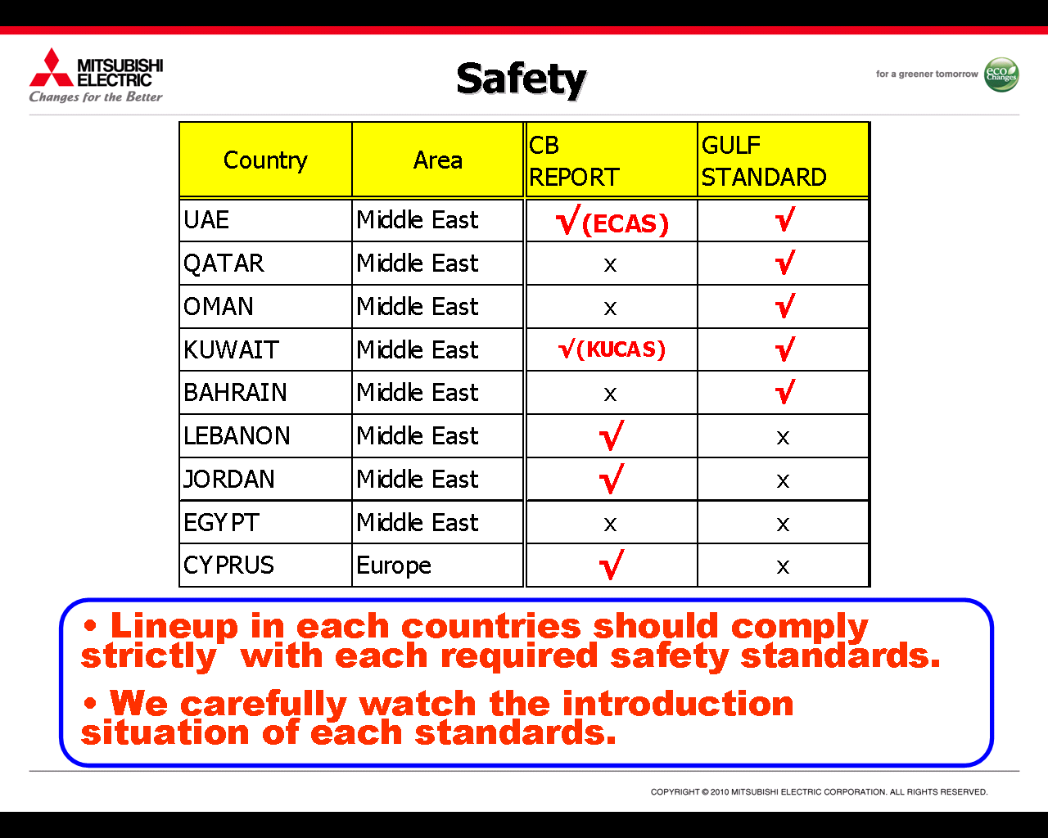
...
35 | 9.1 Heating Capacity Test | Testing will be performed at Std.Condition (DB/WB) -> (In 20/15 Out 7/6). The electrical energy supplied to the heat pump during the test shall be recorded, at the termination of each defrost cycle during the data collection period. (Once in two years for each type and rating) | S | - | - | - | - | -
36 | 9.12 / 9.2 Maximum Heating Performance Test | Testing will be performed at Std.Condition (DB/WB) -> (In 27/- Out 24/18) and test voltage at 90% of lower rate voltage and 110% of rate higher rate voltage then During the testing have no any indication of damage. The equipment shall be permitted to stop and start under the control of an automatic limit device, if provided. After the interruption of operation, the equipment shall resume operation within 30 min. (Once in two years for each function and rating) | S | - | - | - | - | -
37 | 9.3 Automatic Defrost Performance Test | Testing will be performed at Std.Condition (DB/WB) -> (In 20/15 Out 2/1). During the defrost period, the temperature of the air from the indoor-side of the equipment shall not be lower than 18oC for longer than 1 min. (Once in two years for each type and rating) | S | - | - | - | - | -
38 | 8.7 Condensate Disposal test | The test will be conducted at (DB/WB) -> (In 27/24 Out 27/-) with 4 hr.operating at rate voltage and rate freq. The unit’s controls, fans, dampers and grillers shall be set to produce the maximum tendency to sweat, provided such settings are not contrary to manufacturer’s operating instructions then During this test, the air conditioner shall have the ability to dispose of all condensate and there shall be no dripping or blowing off of water from the unit such that the building or surroundings may become wet. (Once in two years for each rating) | S | - | - | - | - | -
39 | Provision for earthing | 27.1 Accessible metal parts of class 0I and I appliances shall be permanently and reliably connected an earthing terminal within the appliance and Earthing terminals and earthing contacts shall not be connected to the neutral terminal. 27.2 The clamping means of earthing terminals shall be adequately secured against accidental loosening. 27.4.1 Parts providing earthing continuity, other than parts of a metal frame or enclosure, shall be of metal having adequate resistance to corrosion. 27.4.2 If these parts are of steel, they shall be provided with an electroplated coating have a thickness of at least 5 mm. 27.4.3 Parts of coated or uncoated steel that are only intended to provide or to transmit contact pressure shall be adequately protected against rusting. 27.5 The connection between the earthing terminal or earthing contact and earthed metal parts shall have low resistance which is checked by Supply current from a source having a no-load voltage not exceeding 12V.(ac ord dc) and equal to 1.5 times rated current of appliance or ≥ 25 A.is passed between earth terminal or earthing contact and each of accessible metal parts in turn then the Insulation resistance ≤ 0.1Ω | S (1391) R (8148) | - | - | - | - | -
40 | 7.1.1 Internal Contamination | Total residue contamnation is maximum 100 mg/m2 of total internal surface area of which 40 mg/m2 max may be soluble and 60 mg/m2 max my be insoluble. (Once in a week) | S | - | - | - | - | - | - | - | - | - | - | - | - | -
41 | 7.3 Test for Mechanical Strength | Testing will be performed as following items. 40.1 Burst test --> 2 samples of each type of component are to be tested 40.1.1 Withstand 3 times of design pressure on low pressure side 40.1.2 Withstand 5 times of design pressure on high pressure side 40.2 Fatigue test --> 1 sample of each type of component are to be tested. This is the cyclic test consisting of 250,000 cycles as following. a) 1st cycle, the test samples are to be filled with water by hydraulic pump system. The pressure is to be raised graually until to the highest pressure (holding 1 min). b) 2nd to 250,000 cycle are the pressure within each sample shall be raised and lowered (holding at least 0.1 sec of each cyclic) c) Cycle test pressure - Heat Ex.at high side, the upper pressure values shall not be less than the staurated vapour presure of refirgerant at 49oC and the lower pressure value shall not be grater than the saturated vapour pressure of the refrigerant at 4.4oC. (Once in a year for each type) | S | - | - | - | - | - | - | - | - | - | - | - | - | -
42 | 7.4 Test for Corrosion Resistance | Heat Ex.material shall be corrosion resistant as following testing. 41.1 Type of Corrosion (Galvanic & General) 41.2 Type of Environment 41.3 Selection of Mat.base on Environemntal Condition. *** Salt spray test should be done at least 72 hr. (If the size of Heat Ex.is large and not able to fit into the salt spray chamber, then we can prepare small replica to test) | S | - | - | - | - | - | - | - | - | - | - | - | - | -
43 | 7.2 Leakage test | Each coil shall undergo leak test to conform tightness specification. 7.2.2 Helium leak test Helium is being used as tracer gas, sensitive to detect minute leaks in heat exchanger assemblies b) Sniffer Test Method 1) The coil is pressurized with helium gas. If required due to large volume, the tracer gas concentration should be 20 percent by volume; 2) Unless otherwise specified by the manufacturer, the coil should be pressurized to a minimum of 0.42 MPa (60 PSI) or maximum allowable design pressure; 3) The tip of the probe should be within 5 mm of the surface being scanned. Normally a snipper probe speed of around 4 cm/sec or less is adequate; and 4) The leak rate of helium gas from any surface shall not be more than 2.51x10 -5 mbar l/s | R | - | - | - | - | - | - | - | - | - | - | - | - | -
44 | Moisture resistance | - The enclosure of the appliance shall provide the degree of protection against moisture in appliance - Appliances subject to spillage of liquid in normal use shall be constructed so that such spillage does not affect their electrical insulation - Appliances shall be proof against humid conditions that may occur in normal use | S | - | - | - | - | - | - | - | - | - | - | - | - | - | -
Revision :
Version 4 : Add requirement of Keymark std.
Version 5 : Add requirement of QCO (IS std.)
Version 6 : Review requirement of QCO to same new amendment.
Version 7 : Add requirement of CCC std.
Verison 8 : Review requirement of QCO to same new amendment.
Verison 9 : Update requirement QCO
Verison 10 : Review requirement of leak current and Electric strength test. moreover, reviewing requirement of QCO and CCC.
 |  |  |  | TIS1155-2557, TIS2134-2553 TIS1375, TIS1529 | ETL report of each model UL60335-1, UL60335-2-40 | MS IEC60335-1, MS 1597-2-40 | SNI 04-6292.1, SNI IEC 60335-2-40 | IEC60335-1, 60335-2-40, PED | ECAS, EQM, U.A.E. STANDARD NO.1005/2000 | Denan Law | EAC | NF414 V.15, NF EN50106 | DAO 18-03, PNS IEC 60335-2-40, PNS IEC 60335-1 | European Keymark Scheme for Heat Pumps (Annex B) | IS1391 & SIT 4-Aug-21 | IS8148-2018 & SIT 4-Aug-21 | IS11329 & PM 3rd Feb-21

V : Voluntary mark
M : Mandatory mark
S : Sampling test
R : Routine test
*
 |  |  |  | Standard Specification for reference
Remark :
 |  |  |  |  | Should be tested (If possible) |  |  |  |  |  | Std.requirement which can select testing
 |  |  |  |  | Std.requirement (Must be tested) |  |  |  |  |  | (Between Pressure and Refri. leakage test.) --> QCO
**
 |  |  |  |  | Std.requirement must be tested at
 |  |  |  |  | external lab --> CCC
 |  |  |  |  |  |  |  |  |  |  |  |  |  |  | QAP022-012

